Sheet1
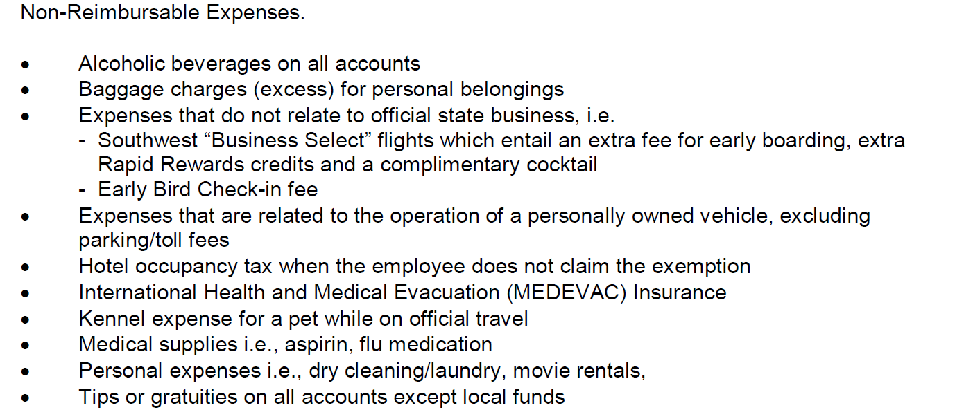
Traveler's Name: |  |  |  | Travel Dates :

Destination : |  |  |  | Time Left: |  |  | Time Returned:

Date | Breakfast | Lunch | Dinner | Other* | Other* | OTHER* | TOTAL | EXPLANATIONS
 | ACTUAL Meal Cost ( Daily Limit = Estimate Around $59.00)
 |  |  |  |  |  |  | $-
 |  |  |  |  |  |  | $-
 |  |  |  |  |  |  | $-
 |  |  |  |  |  |  | $-
 |  |  |  |  |  |  | $-
 | $- | $- |  |  |  |  | $-
 | $- | $- | $- | $- | $- | $- | $-
 | $ | $- | $- | $- | $- | $- | $-
 | $- | $- | $- | $- | $- | $- | $-
 | $- | $- | $- | $- | $- | $- | $-
 | $- | $- | $- | $- | $- | $- | $-
 |  |  |  |  |  | TOTAL MEALS | $-

 |  |  |  | Other Travel Expenses

 |  |  | Personal Car Mileage
 |  |  |  |  |  | 0.54
Airfare |  |  |  |  |  |  | Mileage Reimbursment
Rental |  | $-
Lodging |  |  |  |  |  | Mileage Explanation:
Parking
Fuel |  | $-
Taxi Fees
Phone calls ( Business) |  | $
Tolls |  | $
TOTAL |  | $-
 |  |  |  |  |  |  | Trip Total | $-
 |  |  |  |  |  |  | AirfareAdvance
Only $10 per day may be reimbursed for lost meal receipts. |  |  |  |  |  |  | TOTAL Reimbursment | $-

Non-Reimbursable Expenses:(Please see HSC OP 79.06 for full list)

